Sheet1
 |  | Document No. | Issue No. |  | Issue Date |  |  | Review and Replace Date |  |  | Authorised By
 |  | GFF179MC | 1 |  | 11.06.2020 |  |  | New Issue |  |  | Magda Shah
 |  | Document Title | CASHEW CHICKPEA KORMA WITH BLACK RICE 750g - 2 PERSONS
Document amendments reason for change |  | New product launch |  |  | page 1 of 1 | Previous Issue Date |  |  | New Issue |  | Uncontrolled copy unless signed original

FVKRCR-1R8TMC | MINDFUL CHEF |  | CASHEW CHICKPEA KORMA WITH BLACK RICE 750g │ FROZEN
STEP 1 |  |  |  | STEP 2 |  |  |  |  |  | STEP 3
 |  |  |  | 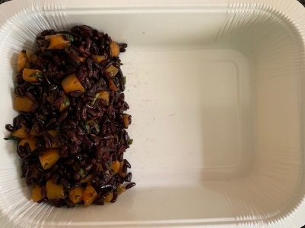 |  |  |  |  |  | 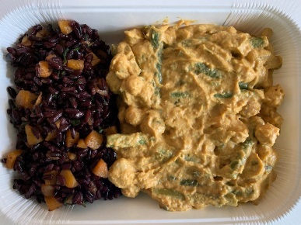

Tray: 2 PORTION TRAY (PKSOU002-02) |  |  |  | Black Rice with Butternut Squash (MC) (GFF278R); 180g |  |  |  |  |  | Chickpea Korma Sauce (MC) (GFF277R); 470g
Film: K-Peel 75G + AF 25 300mm (PKKMP001-02)
STEP 4 |  |  |  |  |  |  | STEP 5
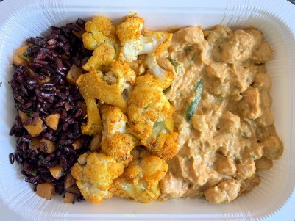 |  |  |  |  |  |  | 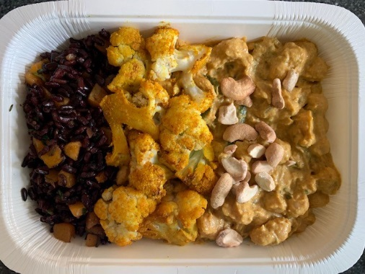

PACK DATE + 1 YEAR

Roasted Cauliflower (MC) (GFF279R) 90g |  |  |  |  |  |  | Roasted Cashews LP (RMKLU001-03) 10g |  |  |  |  | TOTAL WEIGHT: 750g

ALLERGY ALERT: NUTS

